HCM
Vcar

 | Tour |  | Mô tả | Giá vé | Giá xe
 | ... Departure – Ho Chi Minh City Half-day tour | . | After breakfast at the hotel, you will check out of your hotel in .... Your driver and local guide will meet you in the lobby and transfer you to ... International Airport for your flight to Ho Chi Minh City. (No Guide) Upon arrival at Tan Son Nhat International Airport, you will be warmly greeted by the driver and local English-speaking guide, then begin your half-day city tour. Visit the Independence Palace, an important historical landmark that reflects Vietnam’s journey toward peace and national unity. Continue to the Notre Dame Cathedral and the Old Post Office, two iconic French-colonial sites and some of the city’s most photographed architectural highlights. Next, head to Ben Thanh Market, a lively shopping hub in the heart of the city. Take time to browse a wide range of goods, from souvenirs and fashion items to local snacks, and experience the vibrant everyday atmosphere of Saigon.
 | Mekong SIC Tour |  | 07:30 – 08:00 – Pick-up at hotel in District 1, depart for My Tho (1.5-hour drive). • Visit Vinh Trang Pagoda, one of the most beautiful temples in the region. • Board a boat to explore the Mekong River, passing the four famous islands. • Stop at Unicorn Island, taste tropical fruits & enjoy a folk music performance. • Visit a honey bee farm, taste honey tea. • Explore a coconut candy workshop, see how sweets are made. 12:30 – Lunch at a local riverside restaurant. • Optional: Short cycling trip around Tan Thach Village or relax in a hammock. 15:30 – Depart for Ho Chi Minh City. 17:30 – Arrival in Ho Chi Minh City. End of services.
 | SG - Cu Chi - SG |  | 08:30: After breakfast, you will wait to be picked up from your hotel and begin the journey to the Cu Chi Tunnels. Then, the trip departs for Cu Chi, taking you through the scenic countryside outside of Ho Chi Minh City. When you will arrive at the Cu Chi Tunnels, an intricate underground system built by the Viet Cong during the Vietnam-American War in the 1970s. Here, you will have the chance to walk through some of the tunnels, explore the hidden corners, and gain insight into the daily life of resistance soldiers. For those interested, there is an opportunity to try shooting an AK-47, one of the guns used during the war, at your own expense. You can also taste some of the staple foods that soldiers once relied on for survival.
 | Depart |  | After breakfast at the hotel, feel free to explore Ho Chi Minh City by yourself and return to the hotel to check out. at 12:00 before departure. Make sure to keep in touch with new friends you found during the trip and don’t forget to share your wonderful journey and reviews with us on our social media.
 | Mekong Tour

 | Giá Mekong SIC | 585k Chưa Vat
 | Giá Mekong Tour:
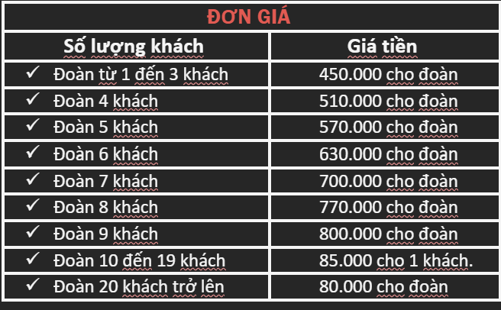

 | Giá vé |  | Dinh: 40k Bảo tàng chiến tranh: 40k Củ Chi 125k Giá Skydeck 240k lớn, 160k trẻ

 | Giá xe |  | Xe 7s | Xe 16s | Xe 29s (Hải Vân)
 |  | Đón bay | 406k | 525k | 980k
 |  | 1/2 city tour | 638k | 825k | 980k
 |  | Full day cty tour | 1102k | 1425k | 1838k
 |  | SG - Cu Chi - SG | 1102k | 1425k | 2083k
 |  | Mekong | 1624k | 2100k | 2327k
 |  | Ăn tối | 290k | 375k | 483k

